Valuation
Trading Comparables Valuation

Workout
 | Calculate enterprise value using the information below.

 | Total diluted equity value MM | 540,060.46
 | Financial statement information below in millions |  | Earliest year | Latest year
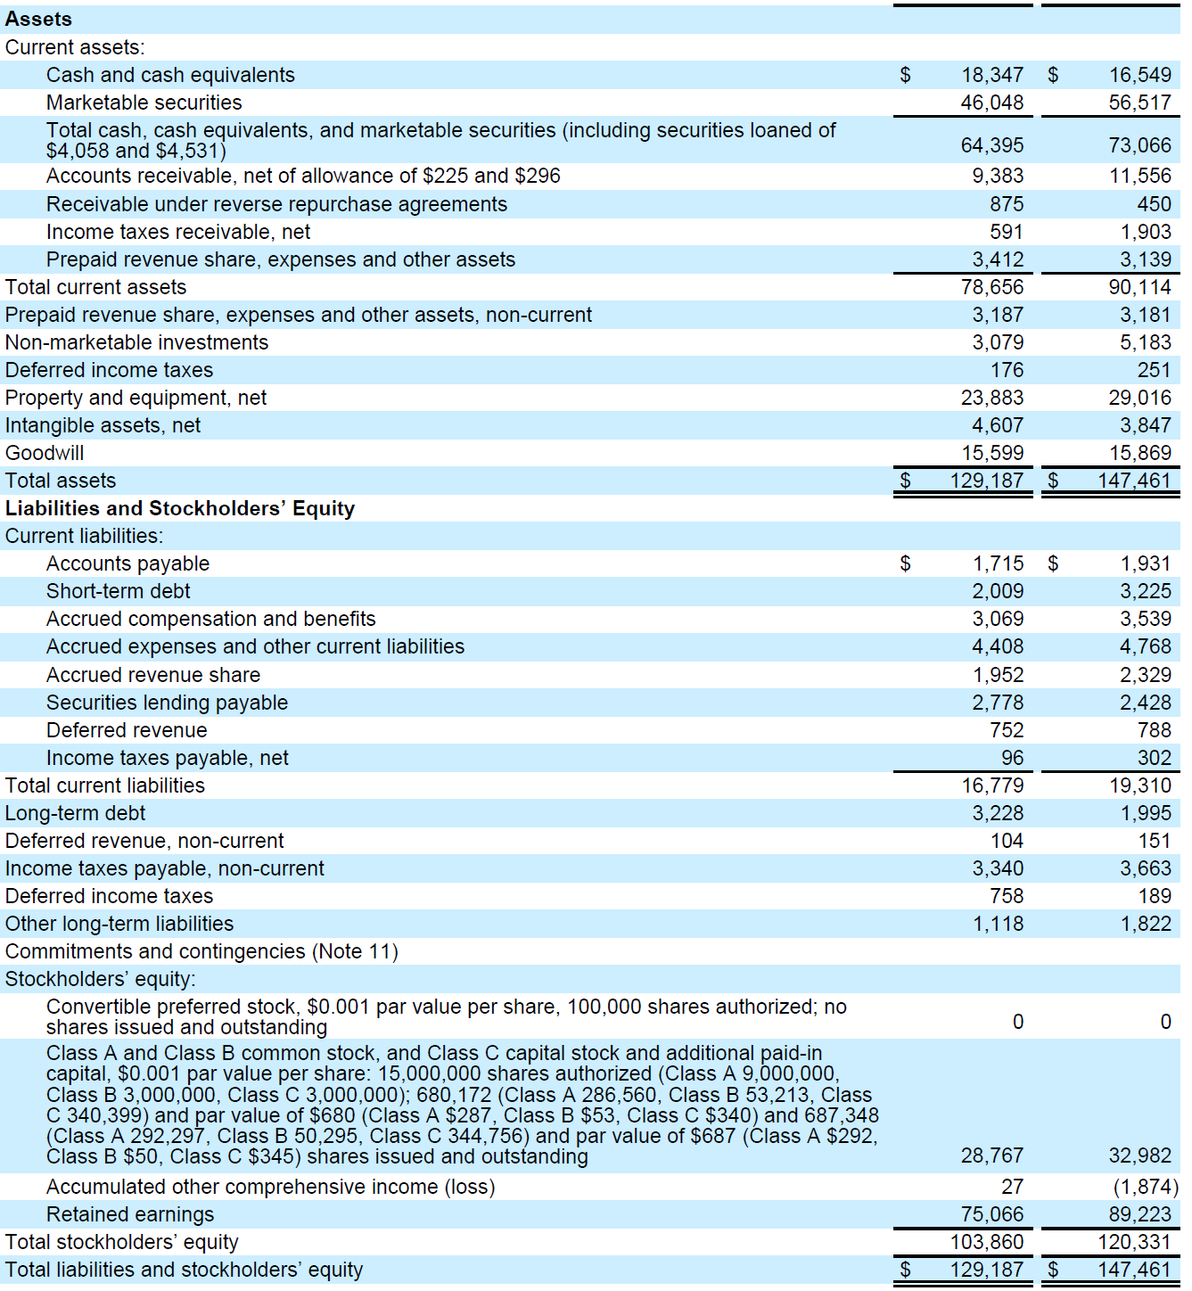

 |  |  |  |  | x
 |  |  |  |  | x

 |  |  |  |  | x

 |  |  |  |  | x

 | Total diluted equity value MM | 540,060.5
 | Short term debt | 3,225.0
 | Long term debt | 1,995.0
 | Cash and cash equivalents | 16,549.0
 | Marketable securities | 56,517.0
 | Non marketable securities | 5,183.0
 | Enterprise value | 467,031.5

End

